Basic Information
Revision Date: |  | 2025-03-21
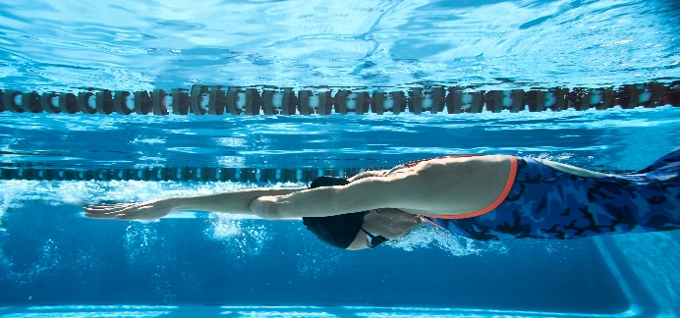 |  |  |  |  |  |  |  | 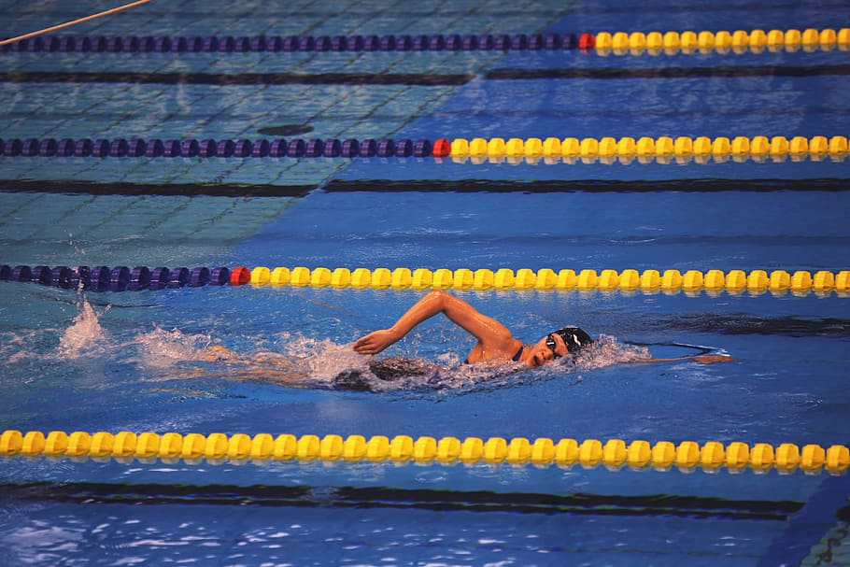
Welcome to the Spencerport Swimming Skills & Conditioning program. This is a new swim program for aspiring swimmers in Spencerport and surrounding areas, with the possibility of forming into a competitive swim club and member of USA Swimming! The calendar year is separated into 5 parts for this program, and roughly align with the scholastic sports seasons, plus a summer session. In addition to the four sessions, the schedule accomodates the Spencerport All Sports Booster Club Swim Camp, held in July (requires separate registration and fees). In combination, the four sessions plus Camp offers year-round swimming at a rate cheaper than all area swim clubs. Additionally, you pay for only the sessions you choose, making this program cost-effective and flexible. Scheduling details are found under the applicable tab at the bottom of the screen. Unless noted otherwise, all practices are at Spencerport.
This program offers specialized instruction for novice, first-time swimmers to elite Varsity-level athletes. Swimmers who swim with their school district's Modified, JV, or Varsity teams are placed in our "Senior" group, while younger, newer swimmers are placed in our "Junior" program. The length and frequency of practices are less, with a fee structure commensurate with such. This program is the "next step" after swim lessons for those wanting to join a competitive swim program, or prepare for their school's Modified or Junior Varsity program.
Like traditional competitve swim club programs, the "season" begins with the school year. In competitive swimming, there is a "short course" season, generally September through March, and a "long course" season, April through August. "Short Course" means that the competitions (i.e. swim meets) are held in pool that are 25 yards or meters in length, while "long course" meets are held in "Olympic-sized" pools that are 50 meters long. Scholastic swim teams swim only in "short course" meets. The pool at Spencerport High School is 25 yards long, and is therefore a "short course" pool. Many larger facilities, like the Webster Aquatic Center, can be configured for both short and long course competitions.

Fall | September to mid-November |  | Fees: | Seniors | $150 | Juniors | $125
Winter | Mid-November to Winter Break |  | Fees: | Seniors | $150 | Juniors | $125
Spring | Winter Break to Memorial Day |  | Fees: | Seniors | $150 | Juniors | $125
Summer | Memorial Day through end of July, and first half of August |  | Fees: | Seniors | $150 | Juniors | $125
Camp | July |  | Fees: | TBA |  | TBA

